Ex Summary
Business Requirement Document

Project Name
Project Manager
Document status
Geo expansion - R.O.Ireland
Jay Jones
Draft

Executive summary
MWI is a prominent supplier of Veterinary Practice Management systems. We will capture the ROI market by regionalising the UK Merlin design, producing a system which reflects the localisations, regulations and legislations of ROI, while providing a connected wholesale offering.
This will enable us to go after the circa 700 independents, with the benefit of an increase in licenses fee revenue of £3 million (1) + (2) and providing the first step in a Merlin Geo product

Project background
ABC identified that the MWI-UK Merlin product could be profitable in other regions. Currently this system has been designed, built and sold in the UK only, however with some alterations this system could be localised to a target country, following which this ‘new’ system can be demonstrated and potentially sold to veterinary practices within that country.
Work has been progressed for a US version of Merlin, given the nature of the US sales taxation requirements the accounting capabilities were to be outsourced to a AP. Wholesale would be supported via an integration with an US wholesaler with an online store. An integration with AllyDVM has also created which utilised the data generated from the feed received from the APs.
Due to changes outside of the projects control the decision to build for the US was put on hold
Following this a decision has been made to investigate the possibility of using ROI as the target region

Scope
Business Requirement Document

Project Name
Project Manager
Document status
Geo expansion - R.O.Ireland
Jay Jones
Draft

Problem statement / Project objective
Create a marketable version of Merlin which can tap into ROI markets by providing a PMS system with ingratiation capabilities, particularly for Wholesale, is NVPS compliant, conforms to Irish VAT regulations and EU regulations.

In scope
1) Multiple VAT sales codes
2) The ability to automatically calculate VAT inline with ROI VAT regulations, i.e. 2/3rd rule for invoices, estimates, pre-invoicing and, reoccurring invoices
3) The ability for the user to enable or disable ROI VAT processes, i.e. 2/3rds calculations
4) Additional reporting functionality to provide ad-hoc and regular VAT reports
5) Wholesale integrations via ftp files shares and APIs which can be updated quickly
6) Localisations - including formats and currencies
7) Integrations with NVPs
8) The ability to integrate with APs, though none are expected to be in place for day one
9) Existing UK Integrations (where possible within the IE)
10) EU regulations, i.e. GDPR
11) Provide users with audit trail visibility

Out of scope
1) Accounting functionality to be outsourced to a third party, i.e. invoicing, estimated are generated in Sage, any payments and or refunds to be passed to the AP to process and return updated account values
2) Alterations to the payment process prior to the delivery of the Payment projects. ROI will use the existing As Is payment processes
3) VAT purchasing codes
4) Localisations - Duel language
5) The ability to integrate with AllyDVM
6) Changes to Merlin's processes and screens where there are no impacts from the regionalisation
7) Integrations currently used by the VP that are not used in the UK.

Glossary
Business Requirement Document

Project Name
Project Manager
Document status
Geo expansion - R.O.Ireland
Jay Jones
Draft

Term | Meaning | Additional information
2/3rds rule | If the cost of the goods used in carrying out the work exceeds two-thirds of the total price, the rate which applies to the goods then applies to the entire transaction. If the cost of the goods used in carrying out the work does not exceed two-thirds of the total price, the rate which applies to the service then applies to the entire transaction. | Revenue.ie two thirds rule
AIM | Animal Identification & Movement | Gov.ie AIM
Assistive Technology | Assistive technology (AT) is any item, piece of equipment, software program, or product system that is used to increase, maintain, or improve the functional capabilities of persons with disabilities.
Bovine | A term relating to cattle.
BST | British Summer Time (GMT=1)
Caprine | A term relating to goats.
Cattle ID | Irish Bovine Animal Identification System | Gov.ie cattle-aim
Charitiy qualifying expenditure | Qualifying expenditure is expenditure in respect of which a claim may be sought under this scheme. A number of conditions apply to the calculation of qualifying expenditure. A charity may seek compensation in respect of Value-Added Tax (VAT) which was paid in the State on certain expenditure. That expenditure must have been for goods or services which were used by the charity solely for its charitable purpose. If the charity used only part of the good or service for their charitable purpose, they must calculate that proportion. The part not used for their charitable purpose is not eligible for this scheme. A charity cannot include any amount that they are entitled to receive under any other scheme or legislation administered by Revenue. For example: *any kind of relief *refund *repayment *deductibility. | What is qualifying expenditure and qualifying tax?
Combined event | A single event, i.e. treatment, which contains goods and services. For example a treatment made up of a consultation (Service) and multiple injections (Goods)
Companion animals | A “companion animal” is a pet or domestic animal, could include support animals
Consumable | Physical items that are used in the delivery of a services, i.e. swabs used during a procedure
Credit / Credit note | A method of compensating a customer. Similar to a return or refund however the customer received a credit against their account not monetary funds
CRUD | Create, Read, Update, Delete
Customer facing documentation | Any material produced by a PMS User (i.e. Veterinary practice) which will be shared with / given to the end customer
EMA | Information on the regulation of medicines for veterinary use in the European Union (EU), with a focus on the centralised procedure. The European Medicines Agency (EMA) plays a key role in this procedure | Veterinary regulatory: overview | European Medicines Agency (EMA)
EPRN | Equine Premises Registration number Legislation - * A person may not have an equine in his/her possession or under his/her control unless the details of his/her premises are registered. * All Registered premises must have a nominated keeper * Upon Registration an Equine premises number – called a herd number – will be issued to the applicant. * Holdings that are already registered to keep cattle and/or sheep/goats will have their registration amended to include horses. | Registration of Equine Premises FAQ
Equine | A term relating to horses, mules, hinnys and donkeys
Finfish | A term used to separate true fish from shellfish, crayfish, jellyfish. True fishes, those poikilothermic vertebrates breathing by gills throughout life and having limbs, if any, in the form of fins
Food animals | Could also be known as livestock. Food animals could be listed as cattle, goats, deer, sheep, pigs, poultry, finfish and, horses Basically, any animal intended for human consumption be that meat or produce of animals for human consumption e.g. milk.
Goat ID | National Goat Identification System | Gov.ie National goat identification system NGIS
Goods | Physical items, in this document this references to tangible items which are sold to a customer either independently or as part of a treatment | Revenue.ie what is a supply of goods
Group ID | When treating 5 or more cattle, use Group of Animals feature. When using Group of cattle, this must include the total number of cattle being treated and a “description” that can easily identify them
HCM | Human Capital Management Cloud HCM software that helps people and organisations reach their full potential
Herd ID | Used as an Identifier in NVPS. Appears to be linked to the Cattle ID process | Gov.ie cattle-aim
Horses | In this document this references to all equine species
HPRA | Health Products Regulation Authority | The Health Products Regulatory Authority
Island of Ireland | The geographical region of Ireland. Covering both Northern and Southern Ireland
IST | Irish Standard Time (GMT+1)
Medicated feed | Medicated feed is a mixture of animal food and veterinary medicinal product produced under controlled conditions and has the purpose of treating or controlling disease in farmed animals, aquaculture species and pets. It requires a veterinary prescription and is one of the oral routes to administer veterinary medicines to animals. Depending on specific situation, this can be the most effective way to administer veterinary medicines to animals. | European Commission Medicated Feed
Merlin | The "base" Practice Management System
Non stock able inventory | Physical items that are used in the delivery of a services, i.e. swabs used during a procedure
NVPS | The National Veterinary Prescription System (NVPS) is a Department of Agriculture, Food and the Marine (DAFM) built Veterinary Prescription Application. All administered, dispensed and prescribed veterinary medicinal products including antiparasitic and medicated feed for food producing animals and all horses, must be recorded on the system directly or via an approved software interface. | The system only applies to prescriptions generated for food producing animals and all horses. Companion animal prescriptions on the NVPS is not currently scheduled to commence prior to 2027.
Ovine | A term relating to sheep.
Peripherals | Hardware / external technology to be used with the system
Pig herd number | You must register with the Department of Agriculture and get a pig herd number in order to own or trade in pigs. This applies to anyone who wishes to own pigs, however few. | Pig Herd - register as a pig herd owner
PMS | Practice Management System
POAO | Products of Animal Origin are defined as any products derived from animals or products that have a close relationship with animals. POAO include certain live animals for direct human consumption, foodstuffs and by-products. | gov.uk/guidance/animal-products-import-and-export
POM V | Prescription-only Medicine – Veterinarian; abbreviated to POM-V; | 4. Veterinary medicines - Professionals
POM VPS | Prescription-only Medicine – Veterinarian, Pharmacist, Suitably Qualified Person (SQP); abbreviated to POM-VPS | 4. Veterinary medicines - Professionals
POMs | Under national legislation, medicines categorised as requiring a prescription can be denoted by the symbol ‘POM’. They are dispensed based on a veterinary prescription and cannot be supplied via the internet or by mail order. Some POM products are restricted for use only by veterinary practitioners and cannot be dispensed to farmers or other users. In these cases, the package leaflet of the product specifies that they are administered only by a veterinarian. For medicines not requiring a veterinary prescription, they are further classified under national legislation as follows: POM(E): These medicines can be supplied by a veterinary practitioner for animals under their care, or by a pharmacist. LR: These medicines can be supplied by a veterinary practitioner, pharmacist, or by a responsible person from a pharmacy or from a licensed retailer. CAM: These medicines can be supplied from a veterinary practice, pharmacy, or licensed retailer, or from a premises that is registered with the Department of Agriculture, Food and the Marine. Veterinary medicines categorised as 'LR' (‘LM’ previously) may be sold without a veterinary prescription by outlets licensed by DAFM. Medicines categorised as ‘LR’, or ‘CAM’ may be purchased by mail order or on the internet, but only from suppliers specifically licensed by DAFM. | HPRA POMs
Porcine | A term relating to swine.
Prescriptions | Within Merlin, these are generated for the Add Treatment process
Rabies antibody titration tests | Linked to Pet Passports. Designated laboratories for performing rabies antibody titration tests Entry into the EU from non-EU countries or territories The rabies antibody titration test required for dogs, cats and ferrets entering the Union from a non-EU country or territory not listed in Annex II to Implementing Regulation (EU) No 577/2013 must be performed in an official laboratory designated in accordance with Article 37 of Regulation (EU) 2017/625, and therefore, specifically accredited for performing this analytical method.
RCM | Regional Customer Manager
Refund | The return of funds following a payment made against a service purchase
Return | The return of funds following a payment made against a goods purchase
Return of trading details | All Irish businesses registered for VAT must file a Return of Trading Details (RTD) on an annual basis, following the end of their respective accounting period. The RTD is a summary of supplies of goods and services, imports and purchases giving rise to deductible input VAT at the various VAT rates. The return includes all Irish, intra-EU, and overseas trades carried out by Irish businesses. You must file the annual return within 23 days of your accounting end of year. The RTD is a statistics return which means you don’t have to pay any VAT liability. It is meant to assist Revenue in verifying the accuracy of your VAT returns.
ROI | Republic of Ireland | Can also be referred to as Southern Ireland
RTD | Right to Deletion | This can also be called, Right to erasure and Right to be forgotten
RTE | Right to Erasure | Art. 17 GDPR – Right to erasure (‘right to be forgotten’) - General Data Protection Regulation (GDPR)
SA | Solution Architect
SAR | Subject Access Request | dataprotection.ie/.../subject-access-request-what-are-they-and-how-can-i-make-one
Services | Charges for time and expertise of an individual. In this document this will generally refer to a Vet employee's (i.e. vet, nurse) time during an appointment | Revenue.ie what is a service for vat
Sheep ID | National Sheep Identification System | gov.ie - National Sheep Identification System (NSIS)
Stock | Physical items that are sold to customer
Supplier Registered Logo | The official logo should display on the websites of all online veterinary medicine retailers registered with their national regulatory authority in an EU Member State or European Economic Area (EEA) country (Norway, Iceland and Liechtenstein). | https://www.ema.europa.eu/en/veterinary-regulatory-overview/buying-veterinary-medicines-online
TRACES | TRACES is the European Commission's online platform for animal and plant health certification required for the importation of animals, animal products, food and feed of non-animal origin and plants into the European Union, and the intra-EU trade and EU exports of animals and certain animal products | TRACES - European Commission
UPD | The Union Product Database (UPD) serves as a single source of information on all authorised veterinary medicines and their availability in European Union (EU) and European Economic Area (EEA) Member States. The European Medicines Agency (EMA) set up and maintains the veterinary medicines information website and the Union Product Database, in collaboration with the Member States and the European Commission | EMA - UPD
V3 report | After your company completes Incorporation and Tax Registration, including VAT, it's essential to file VAT Returns bi-monthly. The VAT3 Return records the Value-Added Tax (VAT) payable, or reclaimable, by you in your taxable period
VAT | Value Added Tax | Revenue.ie VAT
VAT reclaim | VAT Reclaim process | VAT reclaim
VMP | Veterinary medicines, also known as medicinal products for veterinary use, veterinary drugs or veterinary medicinal products (VMPs), are substances or combinations of substances to treat, prevent or diagnose disease in animals | European Commission VMP
EAA | Originally encoded into law in 2019, the EAA was adopted by individual EU nations starting in 2022. Providers of products and services covered by the EAA have until June 2025 to become compliant. A complaint process and surveillance monitoring will be established, and organizations that fail to meet these requirements may face penalties, including fines
Eircode | IE version of post codes | Eircode | Location Codes - Postcode Finder - Postcode Ireland
ASN | Advanced shipping notice

Review Summary
Business Requirement Document

Project Name
Project Manager
Document status
Geo expansion - R.O.Ireland
Jay Jones
Draft
Critical
High
Medium
Low
Not required
The system can not function without this
Significantly improves the projects chances of success / Users delight
Generally improves the projects chances of success / User delight
Little impact on the project / User
Not needed

Group | Area | High level summary | Sub-section | Sub-section summary | Priority | Notes
Financial | VAT codes | *The EU and IE have a myriad of tax codes. These codes split into 4 percentage types each with its own code and description. *The codes can be split into Sales and Purchasing groups *The sales codes can be split into Service and Goods groups *The codes, rates and / or descriptions can change, (anecdotally) this can be often and rapid | System code management | *Merlin can support a wide array of VAT codes, percentages and descriptions *Merlin can class VAT codes into the relevant groups *Merlin devs will be responsible for creating, updating and disabling VAT codes | C
 |  |  | User driven code management | *Merlin allows the user to create, update and disable VAT codes *The user is responsible for the accuracy of the VAT codes | M
 | Implementing IE VAT | *The EU and IE have rules in place to prevent mixed VAT rates being charged on an invoice where a combination of sales and goods have been used to complete a single requirement. Referred to as a combined event in this document *There are 3 processes which meet the IE VAT rules *The refund process will be different depending on the IE VAT rule selected | Selecting VAT processes | *The user can choose to switch on IE VAT processing or remain on the current process *If the IE VAT option is switched on, the user can choose which of the three options is active | H
 |  |  | Invoice documents | *If the VAT option is switched on, the selected IE VAT processes would apply to all invoice type documentation, i.e. Invoice, Estimate, Pre-invoice | C
 |  |  | IE VAT - Single invoice and refund process | *When a combined event occurs and an invoice (estimate or Pre-invoice) is generated, then the VAT percentage applied to the whole invoice is the highest VAT rate of the line items within that invoice *If refund/return is generated for this type of invoice then the VAT rate used in the return/refund matches the VAT rate of the original invoice *If additional items or services are purchased (but are not part of the combined event) then these items do not affect the IE VAT behaviour | M | Based on the outcome of line [16]
 |  |  | IE VAT - Split invoice and refund process | *When a combined event occurs and an invoice (estimate or Pre-invoice) is generated, then the invoice is split in two. Invoices 1a containing the goods items and invoice 1b containing the service items *If refund/return is generated for this type of invoice then the VAT rate used in the return/refund VAT matches the source invoice *If additional items or services are purchased (but are not part of the combined event) then these items do not affect the IE VAT behaviour | M | Based on the outcome of line [16]
 |  |  | IE VAT - 2/3rds calculated invoice and refund process | *When a combined event occurs and an invoice (estimate or Pre-invoice) is generated, then the 2/3rds calculation is triggered and depending on the outcome the VAT will either be set at the Goods rate or the Service rate *If refund/return is generated for this type of invoice then all items in the original invoice are credited, then a new invoice generated. Once completed a new 2/3rd calculation is triggered. The new invoice is paid using the credit and any remaining funds can be kept on the account or returned to the customer *If additional items or services are purchased (but are not part of the combined event) then these items do not affect the IE VAT behaviour | M | Based on the outcome of line [16]

Regulations | NVPS | *The EU regulation to capture prescription data in a national database is applicable in IE *IE has stated that prescriptions for food animals and horses must be sent via data transfer to NVPS for prescription generation and has given software companies till the 13th Jan 2025 to have this in place *IE will add Companion animals to this process in 2027 *The regulations in IE are in the early stage and there are outstanding questions 1)When is an animal classified as a food animal vs companion animal (i.e. domestic chickens could be both) 2)Not all animal types are included in the food animal or companion animal definitions (i.e. rabbits and bees) 3)Data must be set to for emergency prescription within 72 hours but it is not clear how the system should support this 4)Prescribed items, all POM data should be send but will all prescriptions meet this criteria | Data / Fields held by Merlin | *Enable Merlin to capture the data required to successfully submit data to NVPs | C
 |  |  | Automatic trigger | If we choose to absorb the responsibility on when to send the data to NVPs *Configure Merlin to identify where the animal type and medication means the prescription should be generated by NVPs | H
 |  |  | User trigger | If we choose to make the user responsible for when to send the data to NVPs *When an activity would result in a prescription being generated the user is prompted, The user can then opt to send the data to NVPs or generate the prescription locally | H
 |  |  | Data transfer | *Transfer the data to NVPS within agreed timescales *Mitigate sending bad data *Resolve data transfer issues | C
 |  |  | Notifications | *User is aware NVPS prescription has been sent *User is aware of any missing data *User is guided on how to resolve issues | H
 | GDPR | *Ensure adherence to the EU regulations for GDPR *Note - subject to change following conversations with our Data Protection Officer. Particularly in relation to Art. 27 GDPR - Representatives of controllers or processors not established in the Union | SAR | *The system supports the data controller in the production of a Subject Access Request (SAR) and within set timescales | M
 |  |  | RTD/RTE | *The system supports the data controller by triggering a Right to Deletion / Right to Erasure / Right to be Forgotten where the data subjects identifiable data is "removed" and within set timescales | M
 |  |  | Data Retention | *Erasure that the data held within the system adheres to the EU standards for data retention | H
 |  |  | Consent | *Erasure that the consent to process and hold a data subject data is obtained and stored | H
 |  |  | Data centre | *Data centres are within EU territories | C
 | Accessibility | *Meet international standards *Ensure adherence to new EAA regulations due to come into law in June 2025 (subject to change following conversations with our Data Protection Officer) | European Accessibility Act | *Ensure our system meets the EU regulation EAA compliance and surveillance, failure to do so may result in penalties, including fines | M
 |  |  | WCAG2.1 | *Ensure our system supports disabilities, including visual, auditory, physical, speech, cognitive, language, learning, and neurological disabilities

Regionalisation | Localisations | *Amendments to styles, formats, measures, etc. meet the needs of the target country | Currency | *The base currency is Euros *The system can support multiple currencies (Euros and GB Stirling) | H
 |  |  | Address formats | *The address format conforms IE standards. i.e. postcode is replaced with Eircode | H
 |  |  | Time formats | *Though the IE is in the same time zone as the UK the terminology will be different i.e. BST (British Summer Time) will be called IST (Irish Standard Time) | H
 |  |  | Styles | *GB symbology replaced with IE symbology, i.e. flags | H
 | Integrations | *Were possible integrations used in the UK are made available within IE *Note any IE only integration requirements identified through the project will be assessed as and when they arrive. They may form part of an MVP or a subsequence delivery depending on the need | Existing UK integrations | *Currently classified as Customer Engagement, Farm, Workflow Solutions, Lab, Insurance, Human Capital Management, Hardware, Imaging, Document storage | M

Wholesale | Wholesale | *The user can create a stock replacement list in Merlin which is then transferred to the Wholesaler *Prices in Merlin can be updated to mirror the Wholesaler prices *Merlin can display the status of stock fulfilment (i.e. ASN) *Merlin can book in stock against the ASN, any discrepancies can be sent to the wholesaler *Merlin can display any backorder information received from the wholesaler | FTP transfer | *System has the capability to connect with future suppliers via FTP | M
 |  |  | API transfer | *System has the capability to connect with suppliers via APIs (expected for Duggan's) | M
 |  |  | Speed | *The system can support the onboarding of new wholesalers without length delays or barriers | M

 |  |  | 27

IE VAT Reqs
Business Requirement Document
1
 |  |  |  |  |  |  |  |  |  |  |  |  |  |  | 5

Project Name
Project Manager
Document status
Geo expansion - R.O.Ireland
Jay Jones
Draft
Critical
High
Medium
Low
Not required
The system can not function without this
Significantly improves the projects chances of success / Users delight
Generally improves the projects chances of success / User delight
Little impact on the project / User
Not needed

 | Requirements |  |  |  |  |  | Priority |  | Solution Architecture
 | ID | Group | sub group | Type | Requirement | Rational | Overall Priority | Average Score | Solution A | Solution B | Supports | Agreed? | Measure | Link to User story
 | IEReq-1 | VAT | VAT Codes |  | *The system has the capability to hold multiple VAT codes (>30) each with its own reference and percentages | *IE (and most EU countries) have a matrix of VAT codes used to define how much VAT is applied. *Codes (even zero rates) could link to the users VAT Reporting / Reclaim process |  | 4 | If Merlin; Prep db for region defaults. | If Ext; Will be set in AP and downloaded | Multi region |  | To be updated following Solution review
 | IEReq-2 | VAT | VAT Codes |  | *The user will be able to Create VAT codes, with references and percentages without the need for MWI Dev support | *User can configure as they require without delays *Reduced demands into Merlin support and dev teams *If the matrix is updated / maintained by the user, Merlin will not be responsible for errors in how the rates are configured |  | 2 | If Merlin; Add all existing and add new upon request for all customers. | If Ext; Customer manages in AP | Multi region |  | To be updated following Solution review
 | IEReq-3 | VAT | VAT Codes |  | *The user will be able to Update VAT codes, with references and percentages without the need for MWI Dev support | *User can configure as they require without delays *Reduced demands into Merlin support and dev teams *If the matrix is updated / maintained by the user, Merlin will not be responsible for errors in how the rates are configured |  | 2 | If Merlin; User can already adjust existing codes % | If Ext; Customer manages in AP | Multi region |  | To be updated following Solution review
 | IEReq-4 | VAT | VAT Codes |  | *The user will be able to Disable VAT codes, without the need for MWI Dev support. *However the user will not be able to delete any VAT codes | *User can configure as they require without delays *Reduced demands into Merlin support and dev teams *If the matrix is updated / maintained by the user, Merlin will not be responsible for errors in how the rates are configured *Removing the ability to delete will reduce errors with VAT codes previously used |  | 3 | If Merlin; Would need option to disable code | If Ext; Customer manages in AP | Multi region |  | To be updated following Solution review
 | IEReq-5 | VAT | VAT Codes |  | *The system will have the capability to differentiate between sales and purchasing VAT codes | *To support IE matrix of VAT codes *Dependent on how we manage wholesale and the purchasing of goods for resale | Not required | 0 |  |  | Multi region |  | To be updated following Solution review
 | IEReq-6 | VAT | Goods and Services |  | *The system will have the capability to assign classification type to goods and services i.e. stock, services, non-stock inventory (consumables) | *Assist which VAT code should be used, partially for VAT Reclaim Support Return of Trading report, where sales are split into Services and Goods Assist in the 2/3rds calculations |  | 3 | Define with existing | Suggest Ext AP for Tax Reports. | Multi region |  | To be updated following Solution review
 | IEReq-7 | VAT | Goods and Services |  | *The user will be able to define how the goods and services classification types are configured against their Code Entry | *User can configure as they require without delays *Reduced demands into Merlin support and dev teams *If the category types are updated / maintained by the user, Merlin will not be responsible for errors in how the rates are configured |  | 2 | Define with existing | Define with existing | Multi region |  | To be updated following Solution review
 | IEReq-8 | VAT | IE VAT |  | *The system will have the capability to enable or disable the IE VAT, Invoice, Refund processes | *Increases the systems reach to other regions *Supports the user defining the system behaviour |  | 3 | Leave to User Discretion - As_is | If Ext; Would need to tell AP the invoice VAT rate, as not supported. Or User Discretion | Multi region |  | To be updated following Solution review
 | IEReq-9 | VAT | IE VAT |  | If IE VAT is enabled *The user has the ability to choose if the IE VAT requirement will be completed via a single invoice where all combined sales are set at the highest VAT rate | To be confirmed by Ben B *There are 3 valid processes to meet the IE VAT regulations, the user drives the decision of which option is best for their practice *Single invoice, highest rate |  | 3 | Leave to User Discretion - As_is | Alt; Create some complex logic for auto eval. 2/3 criteria | Multi region |  | To be updated following Solution review
 | IEReq-10 | VAT | IE VAT |  | If IE VAT is enabled *The user has the ability to choose if the IE VAT requirement will be completed via split invoices for combined sales, where the goods element is captured in invoice 1a and the service element is captured in invoice 1b | To be confirmed by Ben B *There are 3 valid processes to meet the IE VAT regulations, the user drives the decision of which option is best for their practice *Split invoices |  | 3 | Leave to User Discretion - As_is | Alt; Create some complex logic for auto eval. 2/3 criteria | Multi region |  | To be updated following Solution review
 | IEReq-11 | VAT | IE VAT |  | If IE VAT is enabled *The user has the ability to choose if the IE VAT requirement will be completed via the 2/3rd rule where combined sales are captured in a single invoice but the VAT rate applied is dependent on the Goods/Services split | To be confirmed by Ben B *There are 3 valid processes to meet the IE VAT regulations, the user drives the decision of which option is best for their practice *Single invoice, calculated rate |  | 3 | Leave to User Discretion - As_is | Alt; Create some complex logic for auto eval. 2/3 criteria | Multi region |  | To be updated following Solution review
 | IEReq-12 | VAT | IE VAT |  | If a single invoice with 2/3rds is chosen *The system will have the capability to calculate the 2/3 rule. Stages are: 1) Identifying where a combination event has occurred (i.e. vet visit with consultation and medication) 2) Identify the goods and services involved within that combined event 3) calculate the cost of the goods (net +/- markups and discounts) and the services (net +/- markups and discounts) separately 4) Calculate the total of the goods and services 5) Calculate if the goods total is greater than 2/3rds of the total then apply the goods VAT rate to the whole of the combined event total 6) Calculate if the services total is greater than 2/3rds of the total then apply the services VAT rate to the whole of the combined event total 7) Calculate if the services total and the goods total are equal, then apply the goods VAT rate to the goods element and the service VAT rate to the service element | *Automated process, allowing the user to set and forget *If the 2/3rds rule has been chosen, the system will need to accommodate the complexities this generates, including. *2/3rds rule applies both ways *2/3rds rule only applies to the combined event, if additional goods/services are added to an invoice then these do not impact the calculation for the combined event *2/3rds rule is calculated as cost, before any taxes are added *2/3rds rule is only triggered when the total is OVER (not equal to) Note - defining over as a tangible amount i.e. 1 penny not as decimal places (i.e. £3.001) *Can not hardcode the VAT amount to apply for goods and services as these can change frequently |  | 3 | Leave to User Discretion - As_is | Complex invoice tax calculation logic to be run when saving or modification of an invoice is done to instruct what tax rate to use on the invoice. Same for Merlin or Ext, as not supported by AP. | Multi region |  | To be updated following Solution review
 | IEReq-13 | VAT | IE VAT |  | If a single invoice without 2/3rds is chosen *The system will be capability to identify if where a combination event has occurred and generate an single invoice with the VAT set at the highest percentage | *Automated process, allowing the user to set and forget |  | 3 | Leave to User Discretion - As_is | User Discretion - Save to QBO | Multi region |  | To be updated following Solution review
 | IEReq-14 | VAT | IE VAT |  | If split invoicing is chosen *The system will have the capability to identify where a combination event has occurred and generate a split invoice, where the service element is added to invoice 1a and the goods element is added to invoice 1b. Each invoice has the correct VAT percentage for the category type | *Automated process, allowing the user to set and forget |  | 3 | Leave to User Discretion - As_is | User Discretion - Save to QBO | Multi region |  | To be updated following Solution review
 | IEReq-15 | VAT | IE VAT |  | *The system will have the capability to apply the chosen IE VAT process to all invoice types (invoices, estimates, pre-invoices and reoccurring invoices) | *If the user has turned on IE VAT processing, The system can apply this to all invoice documents, not solely Invoices |  | 3 | Leave to User Discretion - As_is | User Discretion - Save to QBO | Multi region |  | To be updated following Solution review
 | IEReq-16 | VAT | IE VAT |  | *The system will have the capability to produce invoices (estimates, pre-invoices and reoccurring invoices) which can be 1) combined events only (i.e. vet appointment consisting of a consultation and medication) 2) goods only 3) service only 4) mixed, combined event plus additional services 5) mixed, combined event plus additional goods 6) mixed, combined event plus additional good and additional services | *Based on the IE VAT process chosen, how combined events, and combined with additional sales invoices types behave will need to be supported |  | 3 | Leave to User Discretion - As_is | User Discretion - Save to QBO | Multi region |  | To be updated following Solution review
 | IEReq-17 | VAT | IE VAT |  | Before finalised (i.e. payment on an invoice) *The system will have the capability to identify where additions or subtractions have been made to invoices, estimates and/or pre-invoices *Alterations results in the rule being required or no longer required, update the VAT accordingly | *Ensure the system can accommodate alterations *Check for, then apply or update the appropriate IE VAT rule *The rule is not set when the invoice record is created, never to change again |  | 3 | User Manages correct tax application; May want a method for batch tax modification for selected invoice. | User Discretion - Save to QBO | Multi region |  | To be updated following Solution review
 | IEReq-18 | VAT | IE VAT |  | After finalised (i.e. payment made) If single invoice with 2/3rds is chosen *When a refund/return is required for an item included in a 2/3rds invoice then the system will have the capability to support the following process 1) The customer then requests a return for one of the goods included in the original invoice 2) The Veterinary Practitioner (VP) creates a credit for the entirety of the original invoice. In effect resetting everything to zero 3) The VP then creates a new invoice for all the items (minus the returned item) 4) This new invoice may have a different 2/3rds calculation than the original invoice (or it may not) 5) The credit created in point 2 is used to settle the balance in this new invoice 6) The remaining credit is either returned to the customer or stays on the account | If a single invoice with 2/3rds is chosen *Ensures the refund amount / VAT percentage matches the IE VAT option it was sold under *If the 2/3rds rule has been applied and a return is requested, they system will need to calculate if the amendment would alter how the VAT rate is applied. *It has been recommend (by Ben B) that we credit back the original invoice, create a new invoice, recalculate the 2/3rds rule on the new invoice, pay the new invoice from the credit generated by the first invoice and whatever remains will be the refund amount Albeit this might be more or less than the original costs depending on what the new VAT rate may be Note - XXX - need to ensure that this works with closed periods |  | 3 | Merlin is unable to create a duplicate Invoice without duplicating clinical work. | If Acc Ext is available this could be done with Clinical not linked to Accounts. | Multi region |  | To be updated following Solution review
 | IEReq-19 | VAT | IE VAT |  | After finalised (i.e. payment made) If single invoice without 2/3rds is chosen *When a refund/return is required for an item included in a single invoice without the 2/3rds rule applied then the system will have the capability set the refund VAT at the higher rate, regardless of whether the item was a good or service | If a single invoice without 2/3rds is chosen *Ensures the refund amount / VAT percentage matches the IE VAT option it was sold under |  | 2 | Same as current functionality | Add Refunds / Credits to QBO | Multi region |  | To be updated following Solution review
 | IEReq-20 | VAT | IE VAT |  | After finalised (i.e. payment made) If single invoice without 2/3rds is chosen *When a refund/return is required for an item included in a split invoice, then the system will set the refund VAT at the lower rate if the returned item is a service or the higher amount if the returned item is a good | If split invoicing is chosen *Ensures the refund amount / VAT percentage matches the IE VAT option it was sold under |  | 2 | Merlin is unable to create a duplicate Invoice without duplicating clinical work. | If Acc Ext is available this could be done with Clinical not linked to Accounts. | Multi region |  | To be updated following Solution review
 | IEReq-21 | VAT | IE VAT |  | *The system has the capability to identify where goods and services applied apply to the charities charitable purpose *Links to Charity qualifying expenditure | *To enable the Charity to complete a reclaim, they need to delineate goods and services which have solely been used for charitable purposes *It is possible this could be a whole of an invoice or items in an invoice. Note - this has not been validated with users |  | 3 | Tax Rules need to consider IE charity status. Need rule in Merlin if managed here. | Ext Acc. Practices sets Charity status in IE (maybe) otherwise Merlin tells QBO. | IE |  | To be updated following Solution review
 | IEReq-22 | VAT | VAT Reclaim |  | *The system has the capability to correctly classify goods and services in invoices, be that the whole of the invoice or elements within it, used sololy for charitable purposes. Assisting the Charities in the VAT Compensation Scheme for charities application | There is no general Value-Added Tax (VAT) exemption for charities. However there are several specific reliefs from VAT which may relate to charitable activities. By classifying services and goods correctly within an invoice, the charity will be able to submit a compensation claim |  | 3 | If Merlin is AP, then would need have report and metadata on services/stock. Review if AP's provide this as-is | Ext Acc. Should be defined in AP for this report if applicable. | IE |  | To be updated following Solution review
 | IEReq-23 | Reporting | VAT Codes |  | *The system has the capability to generate a Return of trading details report | *To support IE Taxation regulation *All Irish businesses registered for VAT must file a Return of Trading Details (RTD) on an annual basis, following the end of their respective accounting period *It is meant to assist Revenue in verifying the accuracy of VAT returns |  | 4 | What is the regulations? Digital Submission or just data extraction? | QBO/AP should provide this solution. | IE |  | To be updated following Solution review
 | IEReq-24 | Reporting | VAT Codes |  | *The system will have the capability to create reports which will allow the user to meet their VAT reporting needs | *There could be a wide range of reports needed to support regular and ad-hoc reporting in IE for regulatory, reclaim, Charities and information purposes. If these can be created by the user we can support their needs without continuous dev support |  | 4 | What is the regulations? Digital Submission or just data extraction? | QBO/AP should provide this solution. | IE |  | To be updated following Solution review

NVPS Reqs
Business Requirement Document
1
 |  |  |  |  |  |  |  |  |  |  |  |  |  |  |  |  |  |  |  |  |  | 5

Project Name
Project Manager
Document status
Geo expansion - R.O.Ireland
Jay Jones
Draft
NOTE.
Three options to meet the NVPS requirement have been discussed so far
1) We send the data automatically via APIs
2) We send the data via APIs but the user makes the decision if this should be done or not
3) We do not send the data via APIs, instead we move the user to the NVPS portal
Critical
High
Medium
Low
Not required
The system can not function without this
Significantly improves the projects chances of success / Users delight
Generally improves the projects chances of success / User delight
Little impact on the project / User
Not needed

 | Requirements |  |  |  |  |  |  | Priority |  |  |  |  |  |  |  | Solution Architecture
 | ID | Group | sub group | Type | X | Requirement | Rational | Overall Priority | Average Score | Craig | Ryan | Rob | Duncan | Jon | Micheal | Solution A | Solution B | Supports | Agreed? | Measure | Link to User story
 | IEReq-24 | NVPS | Fields |  | System | *The system has the capability to capture and provide NVPS with the data required. As a result Merlin is expended to include the additional fields Note - See field mapping tab for information | *To ensure all the data required for the NVPs APIs are captured 1) Mandatory as a minimum 2) Mandatory and supplemental to best support user journeys |  | 4 | H |  |  |  |  | H | User Prompt asking for details with use of existing prescriptions. | Background batch task submitting all prescriptions created with user flagging submission requirement. | Multi region |  | To be updated following Solution review
 | IEReq-25 | NVPS | Animal type |  | System | *The system will have the capability to differentiate between the animal types of 1)companion animals 2)food animals and horses | If we build this to send automatically *Currently NVPS is only required on certain animal types. During this time the system will need to send APIs for food animals only. *Companion animals will receive the prescription via the AS IS process |  | 2 | L |  |  |  |  | L | User defines submission requirement | Expansion of Patient Category to feed integrations if required. | Multi region |  | To be updated following Solution review
 | IEReq-26 | NVPS | Medication types |  | System | *The system will have the to distinguish the types of medications prescribed. 1)Medications 2)Medicated feed Note the NVPs fields can differ depending on the classify of the medications, i.e. antimicrobial and anti-parasitical. | If we build this to send automatically *The fields required (and animal types) differ depending on the medications being prescribed |  | 3 | L |  |  |  |  | M | User determines if prescription legally requires submission | Creation of code category mapping for background batch submission | Multi region |  | To be updated following Solution review
 | IEReq-27 | NVPS | Medication types |  | User | *The user can amend the medication and medicated feed classification, adding or removed from the product whenever this change is applicable | If we build this to send automatically *If the system triggers different processes based on the user selection then *If the classifications are managed by the user, they can configure as they require without delays *If this is maintained by the user, Merlin will not be responsible for errors in how the rates are configured |  | 2 | L |  |  |  |  | L | User determines if prescription legally requires submission | Creation of code category mapping for background batch submission | Multi region |  | To be updated following Solution review
 | IEReq-28 | NVPS | Create Prescription |  | System | *The system has the capability to generate / send prescriptions with 1)A prescription identifier 2)The Veterinary Council of Ireland Registration Number of the prescribing veterinarian 3) where applicable, the marketing authorisation number relating to the product being prescribed. | *To meet the IE regulations Note - no we have access to the NVPs documents, this is being validated |  | 4 | H |  |  |  |  | H | Datafields are already available and need the submission process. | - | IE |  | To be updated following Solution review
 | IEReq-29 | NVPS | Create Prescription |  | System | *The system will have the capability to continue to produce prescription for companion animals within Merlin | If we build this to send automatically *NVPS is a phased rollout, it is expected that companion animals are not included in the initial phase and therefore the system should still create the prescription in Merlin |  | 2 | L |  |  |  |  | L | User choice if a prescription is created before dispensing regardless of species | Creation of Species mapping to warn the user to create a prescription with a stock and species combination | Multi region |  | To be updated following Solution review
 | IEReq-30 | NVPS | Create Prescription |  | System | *The system will have the capability to identify where the prescription is for a herd. 1)If the number of animals treated is below 5 then the system should be able to capture /send the animals individual IDs. 2)Where the treatment is for 5 animals or more then the system should be able to capture/send the Group ID and description | *For some species, when treating a herd the process differs depending on the number of animals being treated |  | 3 | M |  |  |  |  | M | Need to capture "tags" in prescription and treatment requirements. | Consider need for data submitted to Merlin from VetImpress | Multi region |  | To be updated following Solution review
 | IEReq-31 | NVPS | Create Prescription |  | System | *The system will have the capability to set the expiry date of antimicrobial medications to 5 days | *The new regulations have introduced a time limit of antimicrobials. |  | 2 | L |  |  |  |  | L | User should manage expiry of prescriptions as standard. | Add options in code entry to set shorter expiry lengths by default. | Multi region |  | To be updated following Solution review
 | IEReq-32 | NVPS | Create Prescription |  | User | *The user will be able to set the prescription has been 1)Administer / dispense product 2)Prescribe product to be dispensed at a separate premises 3)Both of the above | *To trigger the relevant journey / show the relevant fields to the user Note - this requirement could be replaced with the Field mapping, but has been called out separately as this is part of the 4 known prescribing journeys |  | 3 | M |  |  |  |  | M | Capture in a prompt or prescription creation. |  | Multi region |  | To be updated following Solution review
 | IEReq-33 | NVPS | Send Prescription |  | System | *The system will have the capability to identify where the prescribed medication is not listed as a Veterinary Medicinal Product (VMP) and is able send the required information to NVPS via the APIs without disruption to the user | *The expected behaviour is the medication prescribed is in VMP, when the data is entered into NVPs it will check for this, prepopulating fields. *If the treatment can not be found in VMP when using the portal, then there is a manual option to add this data *The API process to ensure the relevant data is captured and sent |  | 4 | M |  |  |  |  | H | Should manage error reporting to the user. | Should auto resolve problems with NVPS directly or critical failure reporting to the user. | Multi region |  | To be updated following Solution review
 | IEReq-34 | NVPS | Send Prescription |  | System | *The system will have the capability to present the user with the option to send the prescription to NVPS or whether to generate locally. | *There are a number of uncertainties around when the prescription should be sent via the NVPS. *To remove risk that the incorrect process is followed, whether the data is sent via the APIs is dependent on the outcome of the users selection |  | 3 | L |  |  |  |  | M | User decision to send based on their judgement. | Raise warnings to clinical directors for prescriptions created and not submitted. | Multi region |  | To be updated following Solution review
 | IEReq-35 | NVPS | Send Prescription |  | System | *The system will have the capability to send prescription data to NVPS when the prescription is generated for a food animal or a horse | If we build this to send automatically NVPS first phase includes all horses and food producing animals. To meet IE regulations the prescriptions for these animals should be sent to NVPS |  | 3 | L |  |  |  |  | M | User defines submission requirement | Creation of Species Mapping for Integration to automatically collect prescriptions created | Multi region |  | To be updated following Solution review
 | IEReq-36 | NVPS | Emergency Prescriptions |  | System | *The system will have the capability to add prescription in retrospect. These can be classed as emergency prescriptions and contain the date/time that the medication was issued | *To support on of the SI regulations, the system will need the capability to distinguish emergency retroactive prescriptions, allow these to be added to PMS and sent to NVPS where appropriate and contain date/time fields (administrated and sent) to support this requirement Placeholder - subject to change as requested more information from NVPS |  | 3 | M |  |  |  |  | M | Add option to user prompt for submission. | Calculate for batch process as retrospective. | Multi region |  | To be updated following Solution review
 | IEReq-37 | NVPS | Notification |  | System | *The system will have the capability to make the user aware when a prescription is to be / has been fulfilled by NVPS | If we build this to send automatically *The user is made aware that the process has been successful. *Prevents user confusion and potential duplication / waste work |  | 3 | L |  |  |  |  | M | Large amount of user setup and configuration will be required for configuring these business rules | Standardise data points and use a common business rule. E.g. add ref codes to species and stock items | Multi region |  | To be updated following Solution review
 | IEReq-38 | NVPS | Notification |  | System | *The system will have the capability to notify the user if there are issues when transferring the data via the APIs to NVPS | *The user is made aware that the process has not been successful. *Allows the user to trigger issue resolution processes |  | 4 | M |  |  |  |  | H | Simple internal message to created group | Notification app to the creating user and "admins" | Multi region |  | To be updated following Solution review
 | IEReq-39 | NVPS | Notification |  | System | *The system will have the capability to notify the user if there is missing information which will prevent a successful data transfer to NVPS | *There are a number of mandatory fields within the NVPS process. To prevent avoidable errors the user will be notified if they have missed any key fields |  | 4 | M |  |  |  |  | H | Should be form validation for basic submission with user present | Requires notifications for errors and resolution for async batch processes. | Multi region |  | To be updated following Solution review
 | IEReq-40 | NVPS | Notification |  | System | *The system will have the capability to display clear error messages, advising the user on how to resolve the issue | *The NVPS system can generate an array of error messages. *To reduce issue resolution demand into MWI, if these errors are triggered the user is made a ware with a clear path to resolution |  | 4 | M |  |  |  |  | H | Should be form validation for basic submission with user present | Requires notifications for errors and resolution for async batch processes. | Multi region |  | To be updated following Solution review
 | IEReq-41 | NVPS | Future |  | System | *The system will have the capability to generate prescriptions for companion animals in the future | *Limit the risk that the solution we design today requires significant rework to remove the two paths depending on animal classification type |  | 2 | L |  |  |  |  | L | User driven process will support this by default | Mapping libraries would need to be updated by the practices admins | Multi region |  | To be updated following Solution review
 | IEReq-42 | NVPS | Transfer | NFR | System | *The data is transferred to NVPS after each event as soon as possible Note - we could set a timeframe expectation here i.e. within 5 seconds | *The keep will only receive the prescription SMS when the data has successfully been entered into NVPs. Therefore prescriptions which are to be dispensed later should have their data as soon as possible *Where the medication is fully administered, this could be delayed to a batch update. |  | 0 | ? |  |  |  |  |  |  |  | Multi region |  | To be updated following Solution review
 | IEReq-43 | NVPS | Transfer | NFR | System | When there are issues with the data transmission to NVPs then there is a process in place to catch 1) Where an issue has occurred 2) Ensure no data loss 3) Record the issues 4) Resend the data | *Ensure that data is not lost and arrives successfully when automatically transferred |  | 0 | ? |  |  |  |  |  |  |  | Multi region |  | To be updated following Solution review
 | IEReq-44 | NVPS | Issue Resolution | NFR | System | *If the prescription data cannot be processed by NVPS, i.e. the resend process has not been successful, there are data issues, then an error message is received. | *Defined process in place to receive the error messages from NVPS API process. *This will be processed to display the appropriate message to the end user |  | 2 | N/A |  |  |  |  | H | Same as 39? |  | Multi region |  | To be updated following Solution review

Localisation Reqs
Business Requirement Document
1
 |  |  |  |  |  |  |  |  |  |  |  |  |  |  |  |  |  |  |  |  |  | 5

Project Name
Project Manager
Document status
Geo expansion - R.O.Ireland
Jay Jones
Draft
Critical
High
Medium
Low
Not required
The system can not function without this
Significantly improves the projects chances of success / Users delight
Generally improves the projects chances of success / User delight
Little impact on the project / User
Not needed

 | Requirements |  |  |  |  |  |  | Priority |  |  |  |  |  |  |  | Solution Architecture
 | ID | Group | sub group | Type | X | Requirement | Rational | Overall Priority | Average Score | Craig | Ryan | Rob | Duncan | Jon | Micheal | Solution A | Solution B | Supports | Agreed? | Measure | Link to User story
 | IEReq-45 | Localisation | Currency |  | System | *The system default currency is Euros (€) | *To meet the expectations of the region the system will operate in |  | 6 | L |  |  |  |  | H | No Currency in Merlin, Reports should use Currency placeholder already. | Acc Ext. Currency set in QBO for Invoices and reports. | Multi region |  | To be updated following Solution review
 | IEReq-46 | Localisation | Currency |  | System | *The system will have the capability to function with multi-currency capabilities | *To accommodate practices that operate on UK/NI/IE borders *To accommodate practices that purchase from UK/NI wholesalers who only operate in GBP(£) |  | 3 | N/A |  |  |  |  | M | Merlin will not be able to support Multi-currency. Businesses usually operate under one main currency. | QBO could support multi-currency. Businesses usually operate under one main currency. | Multi region |  | To be updated following Solution review
 | IEReq-47 | Localisation | Language |  |  | The system has the capability to set which language speech to text will function in | If the site is to support multiple languages, the system can support its existing STT features | Not required | 0 | N/A |  |  |  |  |  |  |  | Multi region |  | To be updated following Solution review
 | IEReq-48 | Localisation | Language |  |  | The user will be able to define which language speech to text will operate in | The user has the option to set their language of choice | Not required | 0 | N/A |  |  |  |  |  |  |  | Multi region |  | To be updated following Solution review
 | IEReq-49 | Localisation | Language |  |  | The system will have capability to set which language the website will be displayed/updated in | If the site is to support multiple languages, the system can support its existing website features | Not required | 0 | N/A |  |  |  |  |  |  |  | Multi region |  | To be updated following Solution review
 | IEReq-50 | Localisation | Language |  |  | The user will be able to select which language the website will be displayed in | The user has the option to set their language of choice | Not required | 0 | N/A |  |  |  |  |  |  |  | Multi region |  | To be updated following Solution review
 | IEReq-51 | Localisation | Language |  |  | The system will have the capability to set which language customer facing documentation will be created in | If the site is to support multiple languages, the system can support its existing customer communications | Not required | 0 | N/A |  |  |  |  |  |  |  | Multi region |  | To be updated following Solution review
 | IEReq-52 | Localisation | Language |  |  | The user will be able to decide which language customer facing documentation will be created in | The user has the option to set the language of choice for the customer | Not required | 0 | N/A |  |  |  |  |  |  |  | Multi region |  | To be updated following Solution review
 | IEReq-53 | Localisation | Style formats |  | System | *The system has the capability to alter any symbology to reflect IE standards | *To meet the expectation of the region the system will operate in symbols which match IE, i.e. flags are shown as IE not GB |  | 4 | L |  |  |  |  | L | IE default DB configuration to be set to IE rather than US or UK |  | Multi region |  | To be updated following Solution review
 | IEReq-54 | Localisation | Time |  | System | *The system has the capability to use IE time references, i.e. BST (British Summer Time) will be called IST (Irish Standard Time) both GMT+1 | *Though the IE and UK share the same time zones, ensure that the terminology used reflects the region the system functions in |  | 4 | L |  |  |  |  | L | IE default DB configuration to set time zone to be same as UK |  | Multi region |  | To be updated following Solution review
 | IEReq-55 | Localisation | Address |  | System | *This system has the capability to alter the Postcode field to that this follows the IE standard of Eircode | *To meet the expectations of the region the system will operate in |  | 0
 | IEReq-56 | Regulations | Data centre |  | System | *The data centres used by Merlin will meet EU (GDPR) regulations | *As we are using Azure data centres within Europe this requirement may not be required however need to check and ensure there are no other regulations regarding the movement / storage of data |  | 6 | L |  |  |  |  | H | System operates from EU currently |  | Multi region |  | To be updated following Solution review
 | IEReq-57 | Regulations | Subject Access Request (SAR) |  | System | *The system will have the capability to generate a SAR when a legitimate request is received | *To meet EU GDPR Placeholder - subject to change following clarification with Legal |  | 5 | L |  |  |  |  | M | Function already available; Parity in EU GDPR and UK GDPR |  | Multi region |  | To be updated following Solution review
 | IEReq-58 | Regulations | Subject Access Request (SAR) |  | System | *The system will have the capability to meet SAR deadlines/timescales | *To meet EU GDPR Placeholder - subject to change following clarification with Legal |  | 5 | L |  |  |  |  | M | Function already available; Parity in EU GDPR and UK GDPR |  | Multi region |  | To be updated following Solution review
 | IEReq-59 | Regulations | RTE/RTD |  | System | *The system will have the capability to action a right to erasure / deletion request. *The Users customer data will be removed or obfuscated across all systems (bar any data that needs to be maintained due to regulations) | *To meet EU GDPR Placeholder - subject to change following clarification with Legal |  | 5 | L |  |  |  |  | M | Function already available; Parity in EU GDPR and UK GDPR |  | Multi region |  | To be updated following Solution review
 | IEReq-60 | Regulations | RTE/RTD |  | System | *The system will have the capability to meet RTE/RTD deadlines/timescales | *To meet EU GDPR Placeholder - subject to change following clarification with Legal |  | 5 | L |  |  |  |  | M | Function already available; Parity in EU GDPR and UK GDPR |  | Multi region |  | To be updated following Solution review
 | IEReq-61 | Regulations | Accessibility |  | System | *The system will meet the EU standards for accessibility and assistive technology (software and peripherals) | *To meet WCAG2 standards *To support AT software (i.e. Screen readers) *To support AT peripherals (refreshable braille display or braille terminals) Placeholder - subject to change following clarification with Legal |  | 6 | M |  |  |  |  | M | Merlin to be best effort with Echo supporting best practice. |  | Multi region |  | To be updated following Solution review
 | IEReq-62 | Regulations | Data retention |  | System | *The system complies with GDPR data retention rules | To meet EU GDPR Placeholder - subject to change following clarification with Legal |  | 6 | L |  |  |  |  | H | Already Compliant |  | Multi region |  | To be updated following Solution review
 | IEReq-63 | Regulations | Pet Passports |  |  | *The system will have the capability to record passport checks have been completed | Placeholder - subject to change following clarification with Legal | Not required | 6 | M |  |  |  |  | M | Already Available for recording passport number. Additional requirements need to be specified. |  | Multi region |  | To be updated following Solution review
 | IEReq-64 | Regulations | Pet Passports |  |  | *The system will have the capability to track passport stock and usage | Placeholder - subject to change following clarification with Legal | Not required | 5 | L |  |  |  |  | M | Already available if the practice use inventory. |  | Multi region |  | To be updated following Solution review
 | IEReq-65 | Regulations | Pet Passports |  |  | *The system will have the capability to connect with any labs or third parties required for the generation of pet passports | Placeholder - subject to change following clarification with Legal | Not required | 4 | L |  |  |  |  | L | System Integration is not a requirement for passport compliance. | Same as 69 | Multi region |  | To be updated following Solution review
 | IEReq-66 | Integrations | Customer Engagement |  | System | *The system has the capability to integrate with the Customer Engagement and Communications systems currently used by the IE veterinary practice | *Provide IE Veterinary practices access to Customer Enagement integrations used in the UK 1)AllyDVM (out of scope for IE) 2)Petsapp 3)Yo Telecom 4)Vetstoria 5)Virtual Recall Note - Checking to identify if these are used in IE |  | 5 | M |  |  |  |  | L | Use Existing Integrations | Third Parties Integrate with Merlin | Multi region |  | To be updated following Solution review
 | IEReq-67 | Integrations | Farm |  | System | *The system has the capability to integrate with the Farm systems currently used by the IE veterinary practice | *Provide IE Veterinary practices access to Farm integrations used in the UK 1)VetImpress Note - Checking to identify if these are used in IE |  | 0
 | IEReq-68 | Integrations | Workflow Solutions |  | System | *The system has the capability to integrate with the Workflow Management systems currently used by the IE veterinary practice | *Provide IE Veterinary practices access to Workflow Solution integrations used in the UK 1)VetCheck Note - Checking to identify if these are used in IE |  | 3 | N/A |  |  |  |  | M | Use Existing Integrations | Third Parties Integrate with Merlin | Multi region |  | To be updated following Solution review
 | IEReq-69 | Integrations | Lab |  | System | *The system has the capability to integrate the Lab systems currently used by the IE veterinary practice | *Provide IE Veterinary practices access to Lab integrations used in the UK 1)Abaxis 2)IDEXX 3)MiLAB 4)VetEnvoy Note - Checking to identify if these are used in IE |  | 6 | M |  |  |  |  | M | Consider additional Lab Integrations as specifications become available for the Labs Service |  | Multi region |  | To be updated following Solution review
 | IEReq-70 | Integrations | Insurance |  | System | *The system has the capability to integrate with the Insurance systems currently used by the IE veterinary practice | *Provide IE Veterinary practices access to Insurance integrations used in the UK 1)VetXML Note - Checking to identify if these are used in IE |  | 5 | M |  |  |  |  | L | Review VetXML for IE | Add direct integrations | Multi region |  | To be updated following Solution review
 | IEReq-71 | Integrations | Accounting Platforms |  | System | *The system has the capability to integrate with the Accounting Platforms, either recommended by MWI or currently in use | *An integration which allows accounting data held in Merlin to be transferred to the Users existing accounting package *Allow users to swich in Merlin with minimal impact to their current processes |  | 6 | M |  |  |  |  | M | Depends on accounting needs in solution design |  | Multi region |  | To be updated following Solution review
 | IEReq-72 | Integrations | Human Capital Management |  | System | *The system has the capability to integrate with the Human Capital Management systems currently used by the IE veterinary practice | *Provide IE Veterinary practices access to HCM integrations used in the UK 1)Dayforce (Ceridian) Note - Checking to identify if these are used in IE |  | 0 | N/A |  |  |  |  |  | Dayforce? Not related to IE |  | Multi region |  | To be updated following Solution review
 | IEReq-73 | Integrations | Hardware |  | System | *The system has the capability to integrate with the hardware currently used by the IE veterinary practice | *Allow users to move to Merlin with minimal impact to their current processes |  | 4 | L |  |  |  |  | L | Merlin supports certain Label printers and Till triggers only. | Area is full of technical debt for label design and printing support. | Multi region |  | To be updated following Solution review
 | IEReq-74 | Integrations | Imaging |  | System | *The system has the capability to integrate with the Imaging systems currently used by the IE veterinary practice | *Provide IE Veterinary practices access to Imaging integrations used in the UK 1)PLH Medical 2)Vision Note - Checking to identify if these are used in IE |  | 4 | L |  |  |  |  | L | Merlin supports limited integrations with Vision and PLH | Review PACS integration options, could mean full HL7 modality integration with some suppliers. | Multi region |  | To be updated following Solution review
 | IEReq-75 | Integrations | Document storage |  | System | *The system has the capability to integrate with the Document storage systems currently used by the IE veterinary practice | *Provide IE Veterinary practices access to Document Storage integrations used in the UK 1)Collabora Note - Checking to identify if these are used in IE |  | 4 | N/A |  |  |  |  | H | Function already available |  | Multi region |  | To be updated following Solution review

Wholesale Reqs
Business Requirement Document
1
 |  |  |  |  |  |  |  |  |  |  |  |  |  |  |  |  |  |  |  |  |  | 5

Project Name
Project Manager
Document status
Geo expansion - R.O.Ireland
Jay Jones
Draft
Critical
High
Medium
Low
Not required
The system can not function without this
Significantly improves the projects chances of success / Users delight
Generally improves the projects chances of success / User delight
Little impact on the project / User
Not needed

 | Requirements |  |  |  |  |  |  | Priority |  |  |  |  |  |  |  | Solution Architecture
 | ID | Group | sub group | Type | X | Requirement | Rational | Overall Priority | Average Score | Craig | Ryan | Rob | Duncan | Jon | Micheal | Solution A | Solution B | Supports | Agreed? | Measure | Link to User story
 | IEReq-76 | Wholesale | Connection type |  | System | *The system will have the capability to connect (transfer data) with suppliers via FTP | *Minium expectation for connected suppliers. *Generic connection mechanism is in place for IE *If Wholesaler/s in the future only have the ability to connect to Merlin via file transfer Merlin has a defined standard in place, ready for adaptation to meet the needs of the wholesaler. See Speed requirement |  | 0 | ? |  |  |  |  |  | Depends on chosen suppliers supported methods |  | Multi region |  | To be updated following Solution review
 | IEReq-77 | Wholesale | Connection type |  | System | *The system will have the capability to connect (transfer data) with suppliers via APIs | *Minium expectation for connected suppliers. *Generic connection mechanism is in place for IE *If Wholesaler/s in the future only have the ability to connect to Merlin viaAPIs Merlin has a defined standard in place, ready for adaptation to meet the needs of the wholesaler. See Speed requirement |  | 0 | ? |  |  |  |  |  | Depends on chosen suppliers supported methods |  | Multi region |  | To be updated following Solution review
 | IEReq-78 | Wholesale | Speed |  | System | *The System provides the capability to reconfigure file transfer and API, to alter the generic process to support the nuances of new Wholesalers. This reconfiguration should 1)Require minimum dev support 2)Provide a agile release process | *We may not know all the wholesalers we need to connect to before we have an working version of Merlin IE. The ability to quickly react and provide these connections may aid our ability to sell and maintain licences *For point two, this is to alter our current process, where updates to wholesaler connections is linked to Merlin releases and can take months before the alterations are made live. *To provide a more nimble reaction to our customers needs this requirement is looking to understand how we can amend the wholesaler connection process. |  | 0 | ? |  |  |  |  |  | Requires development of a generic wholesale ordering and stock receiving system; requires detailed requirements. |  | Multi region |  | To be updated following Solution review
 | IEReq-79 | Wholesale | Imports |  | System | *The system can accommodate ordering from suppliers outside of IE, i.e. NI, GB, rest of EU | *There is an assumption that IE, especially border areas may order stock from wholesalers outside of IE. |  | 2 | L |  |  |  |  | L | No impact to ordering process should happen. Any complexity would be outside of scope |  | IE |  | To be updated following Solution review
 | IEReq-80 | Wholesale | Regulations |  | System | *The system has the capability to display the Europeans Medicines Agency's Supplier Registered Logo against wholesalers, to show the supplier is registered with their national regulatory authority | Placeholder - subject to change following clarification with Legal |  | 1 | ? |  |  |  |  | L | Appears to be out of scope for a wholesale ordering and stock receiving feature.
 | IEReq-81 | Wholesale | Regulations |  |  | The system will support purchasing regulations, i.e. movement of animal feed, importing into EU, VAT reporting, parallel traded medicine via the Union Product Database (UPD) | There is an assumption that IE, especially border areas my order stock from wholesalers outside of IE. Given Brexit and EU regulations there may be complication on what we need to capture Placeholder - subject to change following the meeting with Legal | Not required | 1 | ? |  |  |  |  | L | Appears to be out of scope for a wholesale ordering and stock receiving feature. |  | Multi region |  | To be updated following Solution review
 | IEReq-82 | Wholesale | Multi-currency |  | System | The system has the capability to support the purchasing of stock where the seller and the purchaser operate in different currencies. i.e. NI will sell in GBP(£) and IE will purchase in euros(€) | *There is an assumption that IE, especially border areas my order stock from wholesalers outside of IE. If this is the case then there are multi-currency considerations. *Solutions built here could support other EU regions |  | 1 | ? |  |  |  |  | L | Appears to be out of scope for a wholesale ordering and stock receiving feature. |  | Multi region |  | To be updated following Solution review

Misc Reqs
Business Requirement Document
1
 |  |  |  |  |  |  |  |  |  |  |  |  |  |  |  |  |  |  |  |  |  | 5

Project Name
Project Manager
Document status
Geo expansion - R.O.Ireland
Jay Jones
Draft
Critical
High
Medium
Low
Not required
The system can not function without this
Significantly improves the projects chances of success / Users delight
Generally improves the projects chances of success / User delight
Little impact on the project / User
Not needed

 | Requirements |  |  |  |  |  |  | Priority |  |  |  |  |  |  |  | Solution Architecture
 | ID | Group | sub group | Type | X | Requirement | Rational | Overall Priority | Average Score | Craig | Ryan | Rob | Duncan | Jon | Micheal | Solution A | Solution B | Supports | Agreed? | Measure | Link to User story
 | IEReq-83 | Environments | Separation | NFR |  | *IE region / environments will be separate from UK / US builds | *Reduce dependencies *Solution design provides scope for additional Geo countries to be added in the future |  | 2 | L |  |  |  |  | L | Different AKS grouping and report service with shared environment |  | Multi region |  | To be updated following Solution review
 | IEReq-84 | Environments | Separation | NFR |  | *The IE environment within the region (IE / EU) can be updated with releases without forming part of the UK Merlin release process (up to and including Pre-Prod but not Prod) | *Enable the EU build to be updated as required without impacting UK or having to wait for GB releases |  | 3 | L |  |  |  |  | M | Will be possible, but more likely to occur with UK upgrades |  | Multi region |  | To be updated following Solution review
 | IEReq-85 | Environments | Design | NFR |  | *The IE environments will allow for Dev, Test, UAT (Demo and Pre-Prod) and Prod | *To provide separate areas for build, testing and demonstration. Reduce risks of a dev changes impacting testing and or demonstrations |  | 3 | L |  |  |  |  | M | Partial, using shared services. |  | Multi region |  | To be updated following Solution review
 | IEReq-86 | Environments | Design | NFR |  | *The IE region/environments will facilitate integrations into Kafka | *Assumption that this is the agreed architecture for all integrations |  | 0 | N/A |  |  |  |  |  | Kafka is a solution for Accounting and events; Part of the solution |  | Multi region |  | To be updated following Solution review
 | IEReq-87 | Environments | Design | NFR |  | *The IE environment can be used as a framework to build other EU solutions from | *A large proportion of what is built to support IE can be reused for other EU countries. What we build for the IE could become the template to spin up other EU regions (though these will need their own localisation customisations) |  | 0 | N/A |  |  |  |  |  | Infrastructure as Code is already the standard approach, same code can be used already. |  | Multi region |  | To be updated following Solution review
 | IEReq-88 | Misc. | Payment links |  | System | *The system will have the capability to accommodate payment links, Note - Depending on the Payments project delivery date this will either be at go live or in the future | *The payment project is a known quantity and though they may not deliver by the time IE is ready for deployment, our projects designs needs to ensure that the outcome of this project can be slotted in |  | 2 | L |  |  |  |  | L | Potentially small changes to Payment Services for Currency, otherwise compatibility in Stripe analysis required |  | Multi region |  | To be updated following Solution review
 | IEReq-89 | Misc. | Echo |  | System | *The system will reflect the UI/UX developed as part of the Echo project. Note - Depending on the project delivery date this may be at go live, partial with ongoing enhancements or in the future | *The Echo project is a known quantity and though they may not deliver by the time IE is ready for deployment, our projects designs needs to ensure that the outcome of this project can be slotted in |  | 1 | N/A |  |  |  |  | L | Out of scope, general improvement for Merlin and Echo apps not related to IE |  | Multi region |  | To be updated following Solution review
 | IEReq-90 | Misc. | Contracts |  |  | Though this is not a user or system requirement. This has been captured as user contracts will (probably) need updating to support IE and EU needs, regulations and legal requirements |  |  | 4 | H |  |  |  |  | H |  |  | Multi region
 | IEReq-91 | Misc. | Migrations |  |  | Though this is not a user or system requirement. How this is prepared for, managed and supported will need to be captured, particularly for IE VAT processes and data retention |  |  | 2 | L |  |  |  |  | L | Migrated data is limited to Client, Patient, Clinical, Diary and Stock/Service configuration. No financial data is migrated | New migration routines for unknown third party systems. Standard process for DMS team. | Multi region

CARDI
Business Requirement Document

Project Name
Project Manager
Document status
Geo expansion - R.O.Ireland
Jay Jones
Draft

Risks
ID | Description | Probability | Impact | Status | Suggested mitigations
ROIR-1 | Existing taxation calculation issues could be exacerbated if more complexity is added
ROIR-2 | If we do not know all the must have requirements then we may create a solution design which struggles to accommodate future must haves
ROIR-3 | Project is currently in a clandestine status, there is a risk that the projects details / objectives become common knowledge
ROIR-4 | Currently Tax code's persenctages are hardcoded. If there are CRUD requirements for ROI then this will need Dev to alter the code in the background. This may be missed and/or break the additional calculations we need to put in place to support ROIs more complicated taxation processes, i.e. 2/3rds |  |  |  | CH is currently working on an tactical solution design which may help this. The outcome of this may also affect the solution design for a ROI tax management
ROIR-5 | NVPs may require herd animals to be listed individually, our current processes/integration with VetsImpress may not accommodate this
ROIR-6 | Currently unknown if the UK integrations will be required for ROI and if they are if they can operate in, or are compatible with ROI.
ROIR-7 | We may not be able to use the Name Merlin in the ROI. This could either be taken, trademarked or have a problematic meaning in Gaelic
ROIR-8 | If we are to have all instances of Geo Merlin in one Region with all their environments this may create problematic loads or become overwhelmed with multiple currencies, integrations, reporting needs and languages
ROIR-9 | Dual language (Gaelic) has been classified as out of scope, this may create issues when Merlin is marketed in ROI
ROIR-10 | Process suggested by Ben B for the refunding of single invoice with 2/3rds rule applied may be impacted by the closing off of periods.
ROIR-11 | If the user has the ability to switch between ROI VAT process options, then when refunds are triggered, will the system have to remember which rule generated the invoice to ensure the correct refund process is applied
ROIR-12 | If the user has the ability to switch between ROI VAT process options, will this generate any issues when moving from one accounting document to another, i.e. Estimates to Invoices?

Issues
ID | Description | Probability | Impact | Status | Suggested mitigations
ROII-1 | Lack of region knowledge particularly for taxation and regulations needs. There could be must have requirements, which we are currently unaware of
ROII-2 | NVPs information is not clear, and when discussed with MC they too are having issues interpreting the requirements and or have interpreted them differently to us. Without certainty on what should and should not be sent via NVPs we may create a system which is 1) not compliant, or 2) overly complicated |  |  |  | Working with our own legal team NVPS.gov have been contacted
ROII-3
ROII-4

Assumptions
ID | Description | Notes | Outcomes | Status
ROIA-1 | Base Merlin will be the delivered to ROI, No new UI/UX designs of services expected
ROIA-2 | There are no dependencies on the Echo Project or Payments project, the ROI project will deliver even if Echo and or Payments have not completed
ROIA-3 | IVC are not included in the design, development or testing of the Merlin ROI
ROIA-4 | Refunds / Returns generated from a 2/3rds sale are processed at the VAT rate at the point of sale, even if the refund would alter how the 2/3rds would have been applied | Following converstations with Ben B. It has been confirmed that amendments to paid invoices would trigger a new 2/3rds calculation | Process captured Requirements updated | Closed
ROIA-5 | That 2/3rds is required within ROI | Spoken to JH, This is a must for ROI Following conversations with Ben B, it is more complicated than just 2/3rds. Recommend that we refer to the requirement as meeting ROI VAT regs
ROIA-6 | It is possible to connect / Integrate with Wholesalers in ROI
ROIA-7 | Wholesalers can be in ROI or NI | EU has regluations regarding the sales of medicines, and it appears that wholesalers require gov approval, which is indicated by a logo on the wholesalers website. Need to know if this is a must, and therefore NI wholesalers are excluded or if this can be worked around
ROIA-8 | Accounts will be managed in Merlin and not outsourced to a AP | Agreed that Accounts outsourcing is not a design principle, therefore it does have to be in the solution design. Note this doesn’t exclude this | Agreed | Closed
ROIA-9 | If wholesale is to follow the US design (e.g. a new service) then not all as-is functionality will be delivered day one | We will not be following the US model | Agreed | Closed
ROIA-10 | If Accounting is to follow the US design (e.g. a new service) then not all as-is functionality will be delivered day one | See ROIA-8 |  | Closed
ROIA-11 | We currently use an Azure data centre which meets the EU data regulations
ROIA-12 | Kafka is the agree architecture to support integrations
ROIA-13 | If we do not know how to integrate with a Wholesaler, we build API and FTP solution
ROIA-14
ROIA-15
ROIA-16

Constraints
ID | Description | Notes | Outcome | Status
ROIC-1 | IVC relationship to be maintained, No use of their resources are to support the development of Merlin for ROI | IVC may benefit from the changes but this is a byproduct of the changes
ROIC-2
ROIC-3
ROIC-4

Dependencies
ID | Description | Notes | Outcome | Status
ROID-1 | Though Echo and Payments will not block the deployment of the ROI project, the processes, UI and UX may be altered by these projects. i.e. creation of a new Invoice design. Will either need to pull these designs into the ROI build or have a process is place to update
ROID-2 | CH's taxation analysis. Depending on what is found and how the UK solution developed this may alter how we manage taxation, possibly currencies in Merlin
ROID-3
ROID-4

Stakeholders
Business Requirement Document
Project Name
Project Manager
Document status
Geo expansion - R.O.Ireland
Jay Jones
Draft

Basics |  |  | Project |  |  | Sign off
Stakeholder | Role | Email | SME? | Decision maker? | BRD reviewed | BRD sign off required | BRD signed off? | Date of sign off | Notes
Arthi Shridharan | Engineering Manager | ashridharan@mwiah.co.uk
Ben Browne | Senior Manager VAT | ben.browne@alliance-healthcare.net | VAT and 2/3rds rule | Yes
Brenton Horne | Business Analyst | bhorne@mwiah.co.uk | Merlin and IVC
Chris McMenaman | Regulatory Affairs & Compliance Manager | cmcmenaman@mwiah.co.uk | Legal and Regulation | Yes
Ciaran Wallace | Senior Project Manager | ciaran.wallace@ivcevidensia.com | IVC and their interpretation of NVPs
Craig Herrington | Solutions Architect | CHerrington@mwiah.co.uk | System and Design | Yes |  | Yes
Duncan Miller | Programme manager | dmiller2@mwiah.co.uk |  | Yes |  | Yes
Heather Duffy | Regional Customer Manager | hduffy@mwiah.co.uk | NI Vet PMS needs
Heather Gower | Business Analyst | hgower@mwiah.co.uk | BRD creation
Jay Jones | Project manager | JJones@mwiah.co.uk
Jennifer Crawford | Software Development Team Lead | jcrawford@mwiah.co.uk
Jonathan Holloway | Senior Director of Product and Technology | jholloway@mwiah.co.uk |  | Yes |  | Yes
Kate Lander | Director Business Improvement | klander@mwiah.co.uk | Legal and Regulation | Yes
Linda | Member of the NVPS team | nvps@agriculture.gov.ie | NVPs requirements | Yes
Marek Czyzynski | Business Analyst | marek.czyzynski@ivcevidensia.com | IVC and their interpretation of NVPs
Martin Bramwell | Software Engineering Team Lead | MBramwell@mwiah.co.uk
Matt Squire | Senior Business Analyst | msquire@mwiah.co.uk |  | Yes
Micheal Aderinto | Technical Product Owner | MAderinto@mwiah.co.uk |  | Yes
Robert Dunn | Head of Engineering | RDunn@mwiah.co.uk |  | Yes |  | Yes
Ryan Norton | Group Product Manager | rnorton@mwiah.co.uk |  | Yes |  | Yes

Appendix
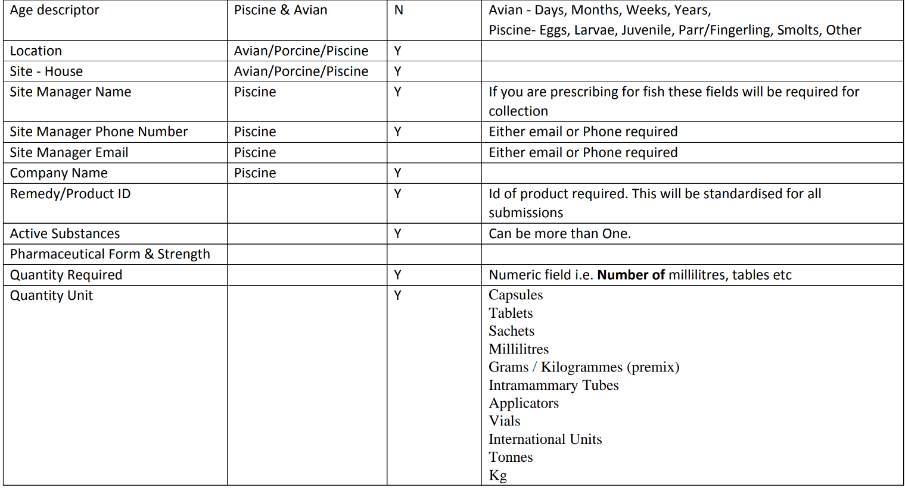
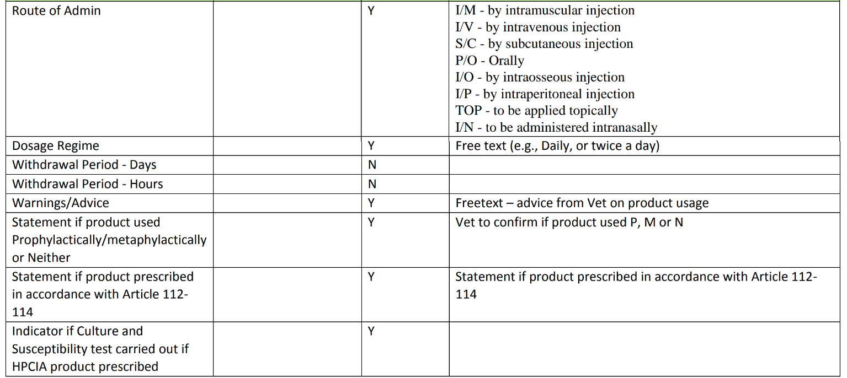
Business Requirement Document

Project Name
Project Manager
Document status
Geo expansion - R.O.Ireland
Jay Jones
Draft

Documents can be found in
Appendix data

Process mapping for ROI taxation, invoices and refund process
LucidChart ROI Invoice and REfund
Process 1 would not be compliant however options 2,3 and 4 are viable options.
This is being confirmed by Ben B

Perscription NVPS feilds | Dispencing NVPS feilds
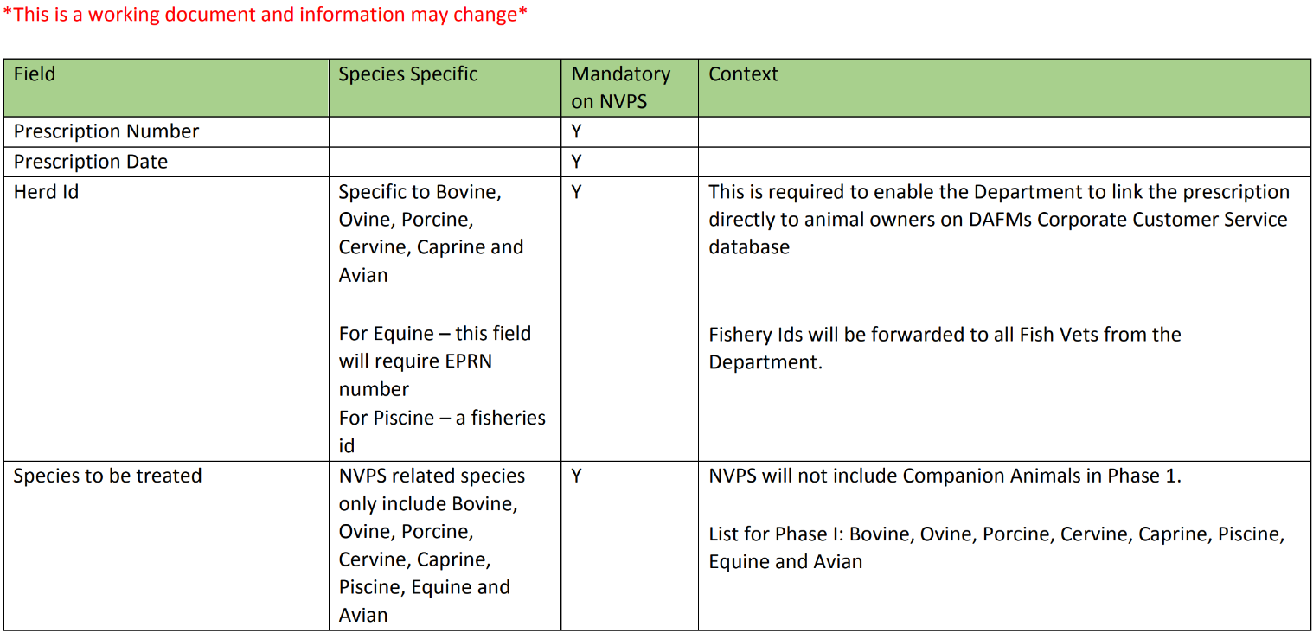
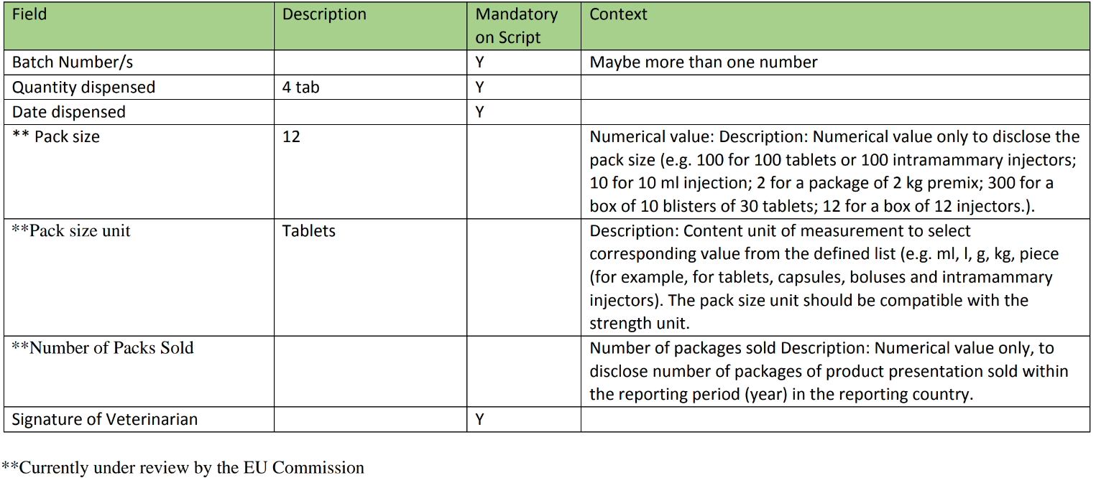

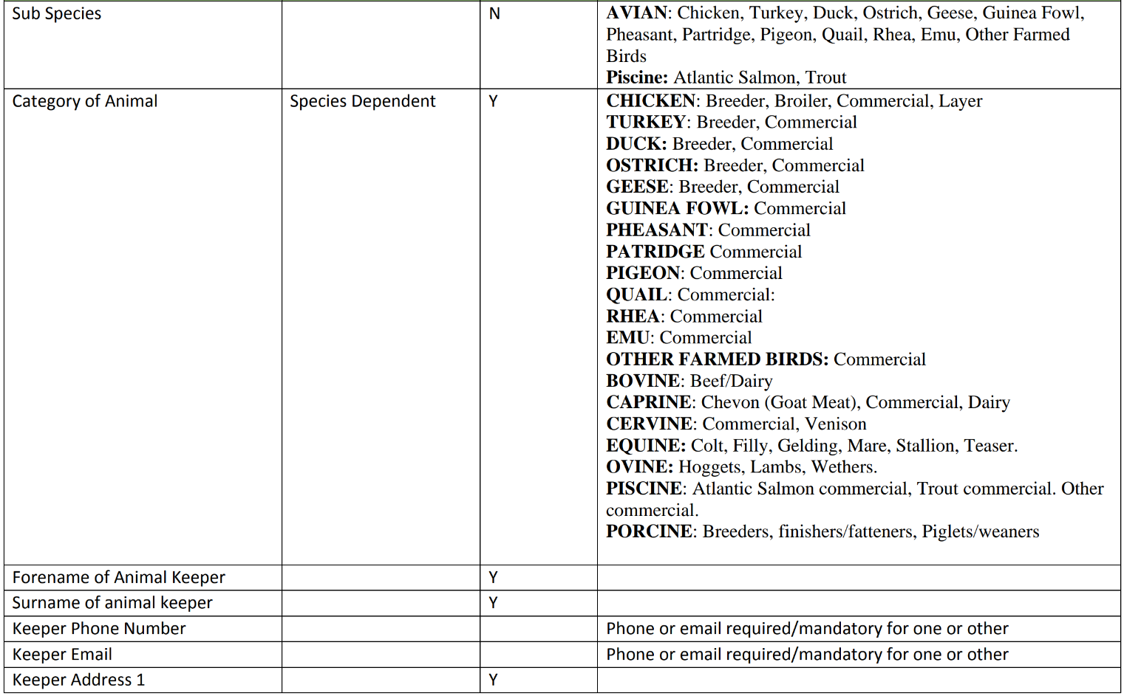

 | NVPS Potential routes
 | 1) Administer / dispense product
 | 2) prescribe product to be dispensed at a separate premises
 | 3) Both of the above
 | 4) Emergency dispensing (not noted in the below document but part of SI)
 | Please see part 3 on page 14 of this document Cattle

 | NVPS feedback 18/11/2024 | Text in blue provided by NVPS
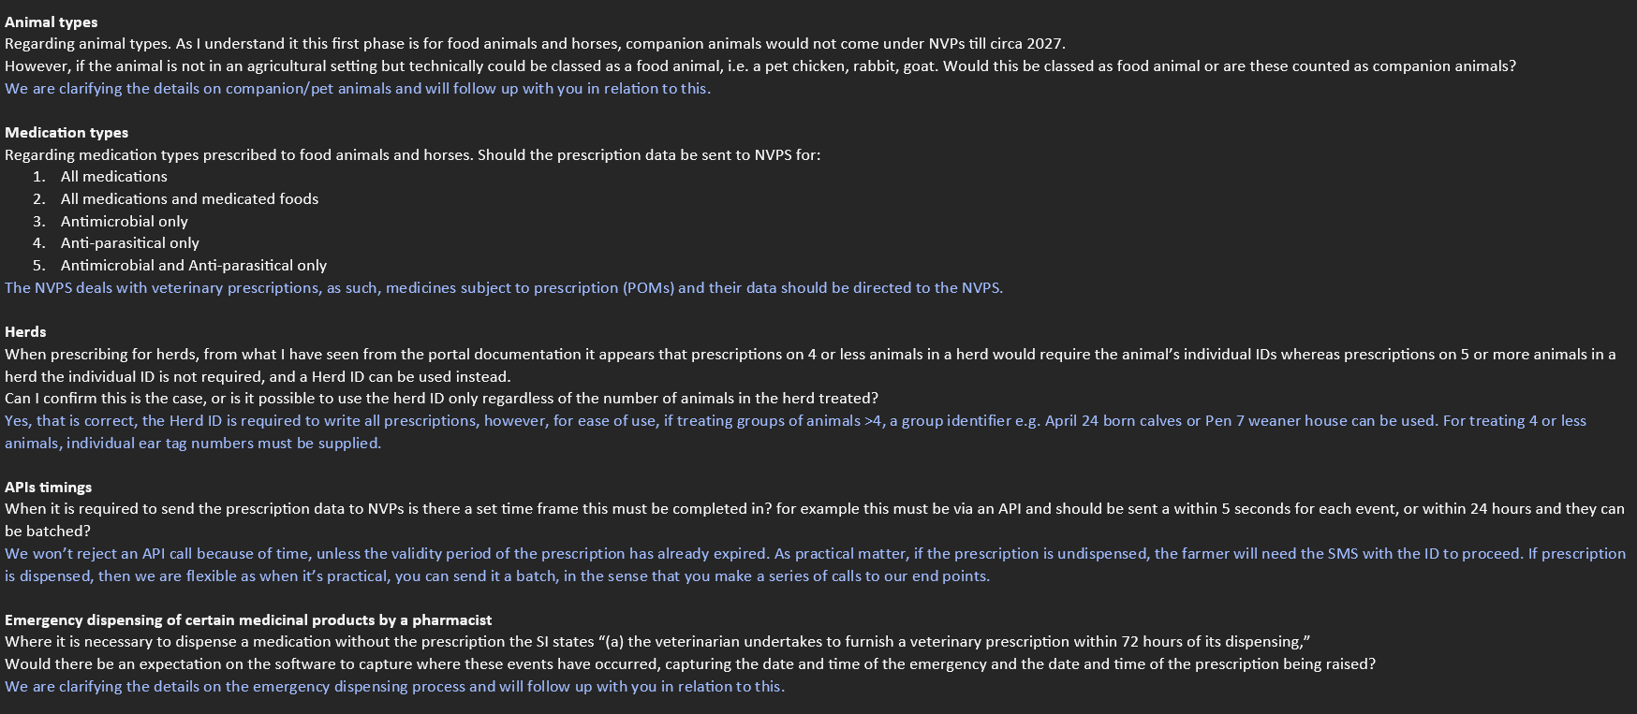

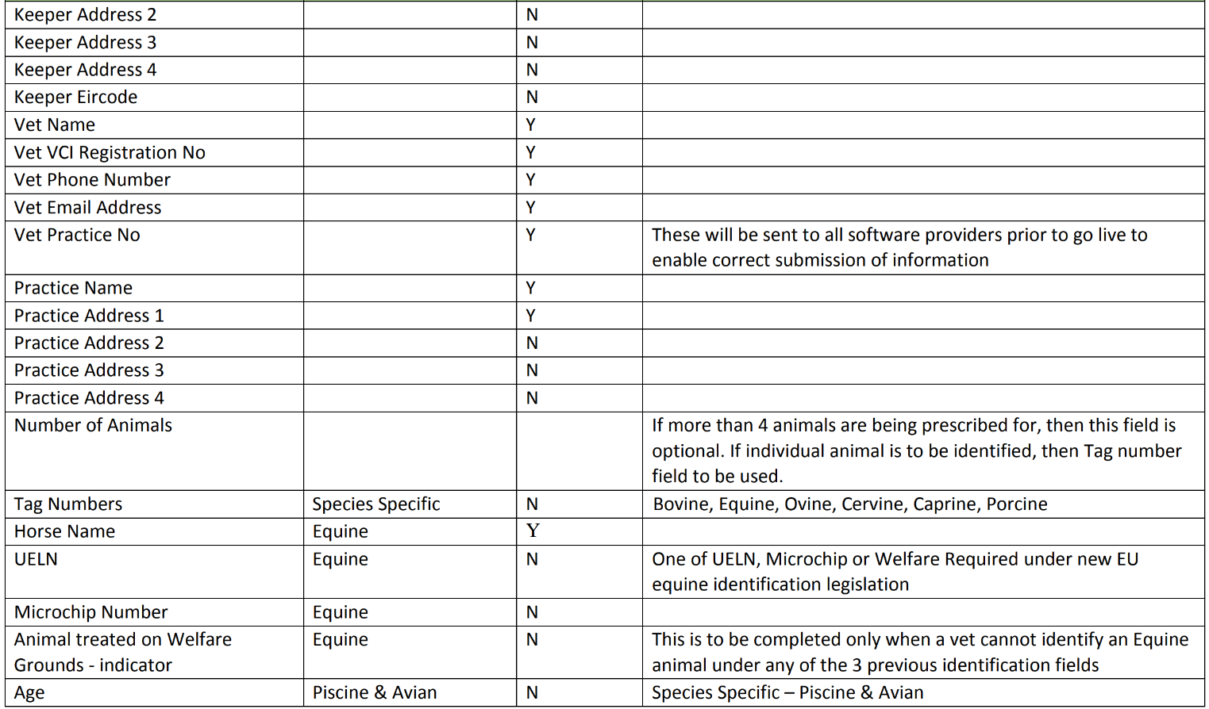

 | The National Veterinary Prescription System (NVPS) is a secure electronic prescription system developed by the Department of Agriculture, Food and the Marine (DAFM) in order to meet certain requirements within the new EU Veterinary Medicines Regulation 2019/6. The NVPS will also facilitate the prescribing of Medicated Feed as per EU Regulation 2019/4. The focus of these new regulations is to protect human health and address the challenge presented by antimicrobial resistance (AMR). The challenge of AMR has been the key driver for the much of the content of these new regulations. https://www.gov.ie/en/service/d93ee-national-veterinary-prescription-system

Field Mapping
Business Requirement Document

Project Name
Project Manager
Document status
Geo expansion - R.O.Ireland
Jay Jones
Draft

NVPs |  |  |  |  | Merlin
Data model | Data field | Data field2 | Description | Rules | In Merlin? | Mandatory | Field name | Notes
Prescription Details | Prescription Type | {"prescriptionType":} | Type of the prescription | There are two prescription types, Veterinary Medicine (Vet Med) and Medicated Feed (Med Feed) | No | Yes
Practice Details | VCI Number | {"vciNumber":} | The VCI Number is the Veterinary Council of Ireland Number of registration for a veterinary | All vets must be registered on the DAFM system in order to access NVPS system NVPS does not allow vet registration | No | Yes |  | Possible to use Licence field, but no validation etc
Practice Details | Vet Name | {"vetName":} | Name and surname of the prescribing vet | All vets must be registered on the DAFM system in order to access NVPS system NVPS does not allow vet registration | Yes | Yes |  | Surgeon Name selected when prescribing
Practice Details | Vet Contact Number | {"vetContactNum":} | Prescribing vet phone number | All vets must be registered on the DAFM system in order to access NVPS system NVPS does not allow vet registration A vet must be previously associated with a practice in order to prescribe to that practice Vets can only prescribe to associated practices | No | ? | Sites hold practice details
Practice Details | Practice Name | {"practiceName":} | Practice Name | All practices must be registered on the DAFM system A vet must be previously associated with a practice in order to prescibe to that practice Vets can only prescribe to associated practices NVPS does not allow practice registration | Yes | Yes | as above
Practice Details | Practice Phone Number | {"practicePhoneNumber":} | Practice Phone Number | All practices must be registered on the DAFM system A vet must be previously associated with a practice in order to prescibe to that practice Vets can only prescribe to associated practices NVPS does not allow practice registration | Yes | Yes | as above
Practice Details | Practice Address 1 | {"practiceAddress1":} | First line of practice addressPractice Address | All practices must be registered on the DAFM system A vet must be previously associated with a practice in order to prescibe to that practice Vets can only prescribe to associated practices NVPS does not allow practice registration | Yes | Yes | as above
Practice Details | Practice Address 2 | {"practiceAddress2":} | Second Line of Practice Address | All practices must be registered on the DAFM system A vet must be previously associated with a practice in order to prescibe to that practice Vets can only prescribe to associated practices NVPS does not allow practice registration | Yes | Yes | as above
Practice Details | Practice Address 3 | {"practiceAddress3":} | Third Line of Practice Address | All practices must be registered on the DAFM system A vet must be previously associated with a practice in order to prescibe to that practice Vets can only prescribe to associated practices NVPS does not allow practice registration | Yes | Yes | as above
Practice Details | Practice Address 4 | {"practiceAddress4":} | Fourth Line of Practice Address | All practices must be registered on the DAFM system A vet must be previously associated with a practice in order to prescibe to that practice Vets can only prescribe to associated practices NVPS does not allow practice registration | Yes | Yes | as above
Herd Identification | Animal Group Number | {"animalGroupNumber":} | Herd/Flock/Fisheries Identification | For a Vet Med script a vet must enter a valid herd/flock/fisheries number in order to proceed when the species are: Cattle Goats Deer Sheep Finfish For a Med Feed script a vet must enter a valid herd/flock/fisheries number in order to proceed when the species are: Poultry Cattle Goats Deer Sheep Pigs Finfish NVPS does not allow herd/flock/fisheries number registration. For Vet Med scripts, when the species are "Pigs" or "Poultry", an acknowlegdement checkbox must be marked in order to proceed. | No | Conditional |  | Only UK CPH is recordable
Herd Identification | Non-reg ID Acknowledgment | {"nonRegIdAck":} | No Herd ID Acknowledgment | Acknowledgment checkbox to be marked when the Herd number or the Flock number has not been provided. Available only for Poultry and Pig Species. If the species selected are "Pigs" or "Poultry", an acknowlegdement checkbox must be marked in order to proceed. ("Keeper does not have a herd number, I will manually enter all keeper details") If the checkbox on item 3 has been marked, another checkbox will appear and must be marked in order to proceed. ("Please confirm the statement below, Keeper declares that their Flock/Herd/Holding is not registered with DAFM") | No | Conditional
Herd Identification | Animal Group Number | {"animalGroupNumber":} | Fisheries Identification | A Vet must have a valid Fisheries ID to proceed only when the species is Finfish. NVPS does not allow Fisheries ID registration. | No | Conditional
Herd Identification | Animal Group Number | {"animalGroupNumber":} | Equine Premises Registration Number | A Vet must provide the EPRN if equine present on premises with active EPRN. A vet can proceed without providing a EPRN if premises not registered with DAFM to keep Equine. Where the equine premises number is not available, the vet can proceed with the script to select "Premises not registered with DAFM to keep Equine" NVPS doesn't allow EPRN registration. | No | Conditional
Case Profile Keeper Contact Details | Forename | {"foreName":} | Keeper/Site Manager Forname | 1. Keeper first name must be entered correctly by vet for prescription communication purposes. | Yes | Yes | Firstname in reception screen
Case Profile Keeper Contact Details | Surname | {"surName":} | Keeper/Site Manager Surname | 1. Keeper surname must be entered correctly by vet for prescription communication purposes. | Yes | Yes | Surname
Case Profile Keeper Contact Details | Phone Number | {"phoneNumber":} | Keeper/Site Manager Phone Number | Keeper's phone number must be entered correctly by vet for prescription communication purposes. Valid phone number should be as below: Irish mobile phone numbers: 08X XXX XXXX 00 353 8X XXX XXXX +353 8X XXX XXXX UK mobile phone numbers: 00 44 XXX XXX XXXX +44 XXX XXX XXXX Should not accept landlines Invalid phone numbers as below: 01 XXX XXXX Dublin area 0XX XXX XXXX All other 7 digit areas 0XX XXX XXX 6 digit area 0XX XXXXX 5 digit area 0X0X XXXXX 5 digit area | Yes | Yes | Client details | System can record all world phone numbers Is e164 format generally accepted?
Case Profile Keeper Contact Details | Email | {"email":} | Keeper/Site Manager Email | Keeper email must be entered correctly by vet for prescription communication purposes Is a mandatory field only for Finfish The keeper email should be in the following format ex: user@domain The Site Manager email * should be provided in order to proceed Maximum length is 4000 characters | Yes | Conditional | Client details
Case Profile Keeper Contact Details | Company Name | {"companyName":} | Company Name | Field available only for Finfish Alphanumeric |  | Conditional
Case Profile Keeper Contact Details | Address l | {"address1":} | Keeper/Site Manager first line address | Keeper address line 1 must be entered correctly by vet for prescription communication purposes Mandatory field Alphanumeric field Maximum length is 4000 characters | Yes | Yes | Client details business
Case Profile Keeper Contact Details | Address 2 | {"address2":} | Keeper/Site Manager second line address | Optional field Alphanumeric field Maximum length is 4000 characters | Yes | No | Client details business
Case Profile Keeper Contact Details | Address 3 | {"address3":} | Keeper/Site Manager third line address | Optional field Alphanumeric field Maximum length is 4000 characters | Yes | No | Client details business
Case Profile Keeper Contact Details | Address 4 | {"address4":} | Keeper/Site Manager fourth line address | Optional field Alphanumeric field Maximum length is 4000 characters | Yes | No | Client details business
Case Profile Keeper Contact Details | Eircode | {"eircode":} | Keeper/Site Manager Eircode | Optional field Alphanumeric field Maximum length is 4000 characters | Yes | No | Client details postcode
Animal Details | Subspecies | {"subSpecies":} | Subspecies of the animal | Subspecies for Vet Med: Atlantic Salmon, Chicken, Turkey, Duck, Geese, Cattle, Goats, Deer, Horses, Sheep, Pigs, Finfish - Other, Poultry - Other, Rainbow Trout, Common Carp Subspecies for Med Feed: Atlantic Salmon, Chicken, Turkey, Duck, Geese, Cattle, Goats, Deer, Sheep, Pigs, Finfish - Other, Poultry - Other, Rainbow Troutm Common Carp All animal recorded on a prescription must be of the same subspecies type | ? | Conditional | Species? | We have Species and Breed. May work under Species
Animal Details | Alternative Subspecies | {"altSubSpeciesDesc":} | Alternative subspecies that is not in the reference list | If the subspecies selected is "Finfish Other" or "Poultry -Other", a description of the subspecies must be provided in order to proceed | No | Conditional
Animal Details | Animal Class | {"animalClass":} | Category of animal | For "Poultry": If the subspecies is Chicken then the vet must select "Broiler", "Other" or "Laying hens" in order to proceed If sub species is "Turkey" then the vet must select "Other" or "Fattening" in order to proceed For "Cattle", the vet must select between "Beef" or "Dairy" in order to proceed For "Pigs", the vet must select "Piglets", "Weaners", "Fatteners/Finishers", "Breeding pigs" or "Pigs - Other" |  | Conditional
Animal Details | Alternative Animal Class Description | {"altAnimalClassDesc":} | Description of an alternative animal category that is not in the reference list | If the category of the animal selected is "Pigs - Other", a description of the alternative category must be provided in order to proceed | No | Conditional
Animal Details | Microchip Number | {"microchipNumber":} | Identification of the animal(Tag ID) | Cattle, sheep, goats, and deer; where the animal has a tag, the tag number (at the minimum the last 4 digits) should be provided A vet must identify each animal in case of a group of fewer than 5 animals receiving the same treatment For all species except horses when using the "Animal tag numbers / IDs" object, the Animal tag should not be blank For "Pigs", the vet must select "Piglets", "Weaners", "Fatteners/Finishers", "Breeding pigs" or "Pigs - Other" For Horses, if the vet provides the UELN, the Microchip number cannot be provided The same microchip number cannot be used for two different animals The microchip number cannot be the same for 2 different animals Either "Groups of animals" object or "Animal tag numbers / IDs" object need to be provided | Yes | Conditional | Microchip
Animal Details | Animal Name | {"animalName":} | Horse Name | A vet must identify each animal in case of a group of fewer than 5 animals receiving the same treatment Animal name field is available only for horses Animal name field must be provided in order to proceed for Horses Either "Groups of animals" object or "Animal IDs" object need to be provided The same animal name cannot be provided for different animals | Yes | Conditional | Name in patient details. | Can be used for all animals not just equine
...

